Master Product
Master Product

1. Tampilan Depan :
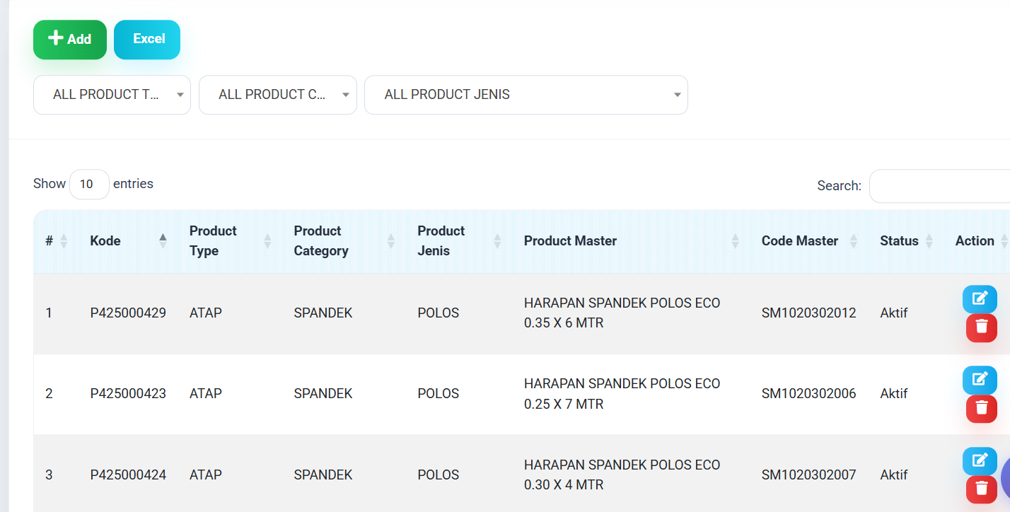

2. Detil Input :
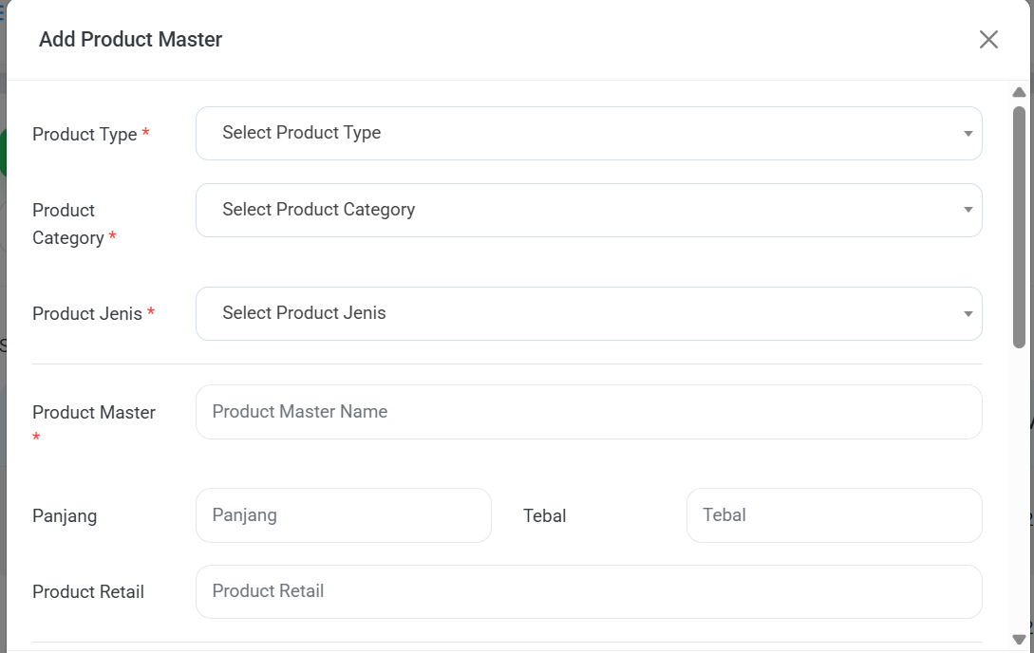

(Input)

(Input)

(Input)

(Product Type + Product Category + Product Jenis + Tebal + Lebar + Panjang) --> Tapi tetap bisa edit

Lebar :
(Input Lebar)

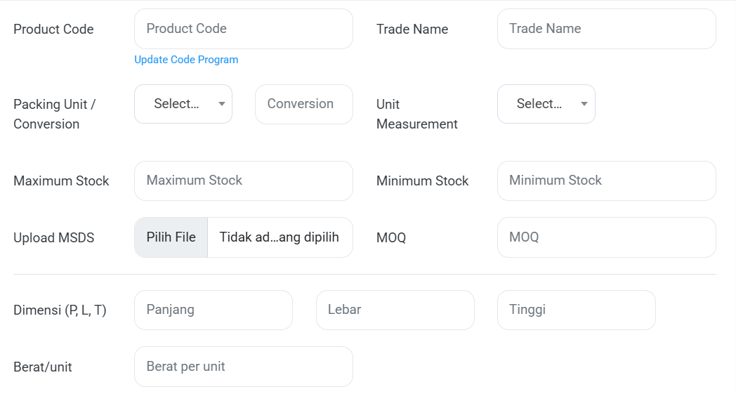

Dimensi Panjang*Lebar*Tinggi

Master Material
Master Material

1. Tampilan Depan :
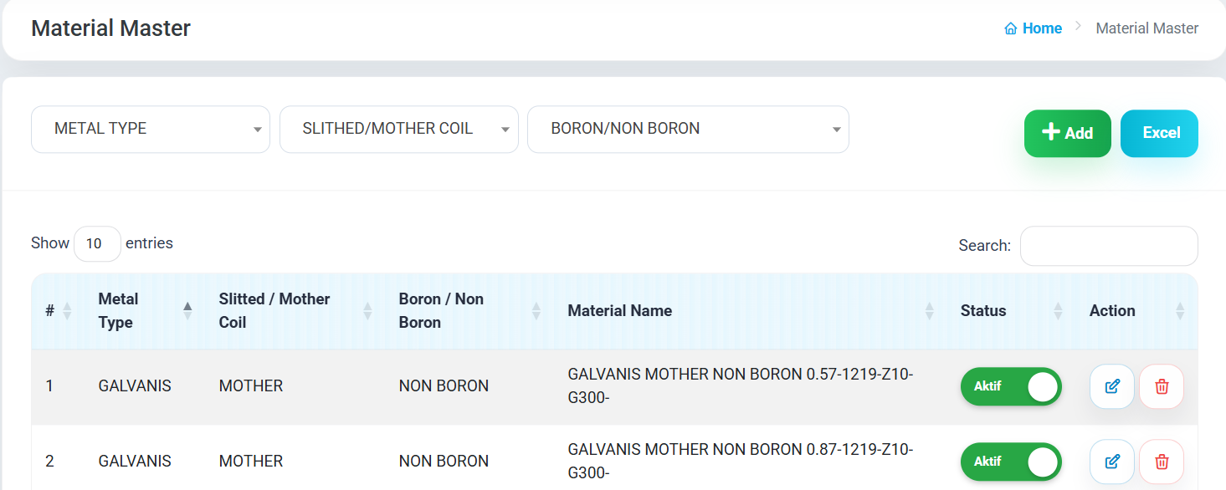

2. Detil Input :
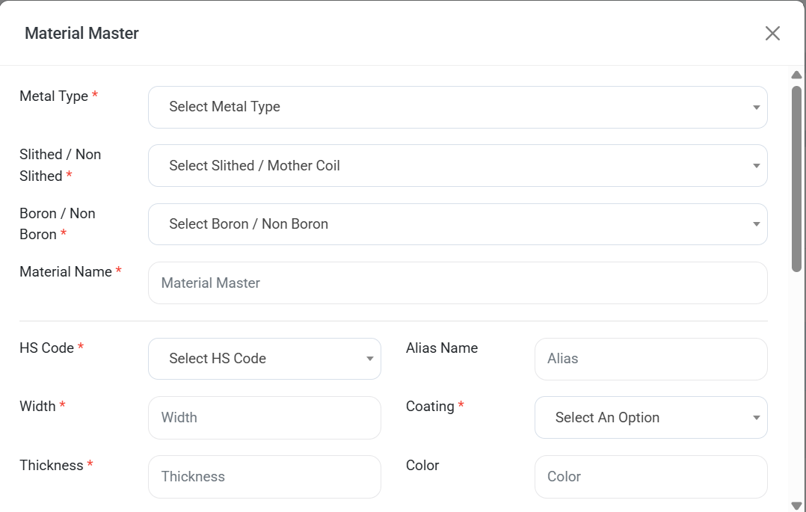

(Input)
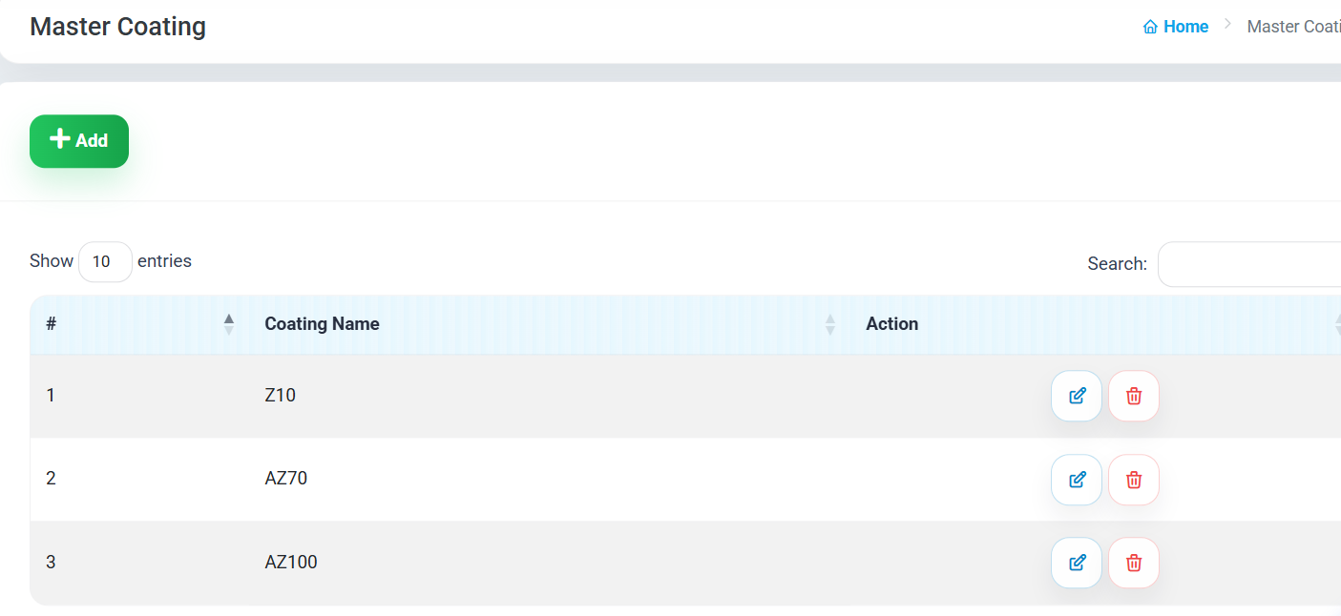

(Metal Type + Slitted/Non Slitted + Boron/Non Boron + Tebal + Lebar + Coating + Tensile) --> Tapi tetap bisa edit

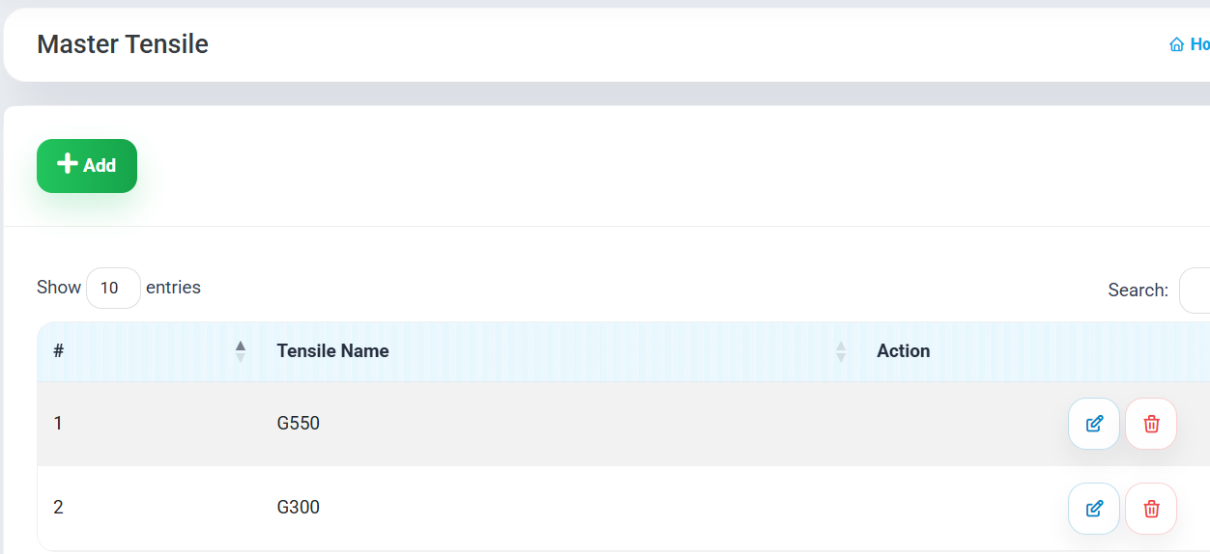

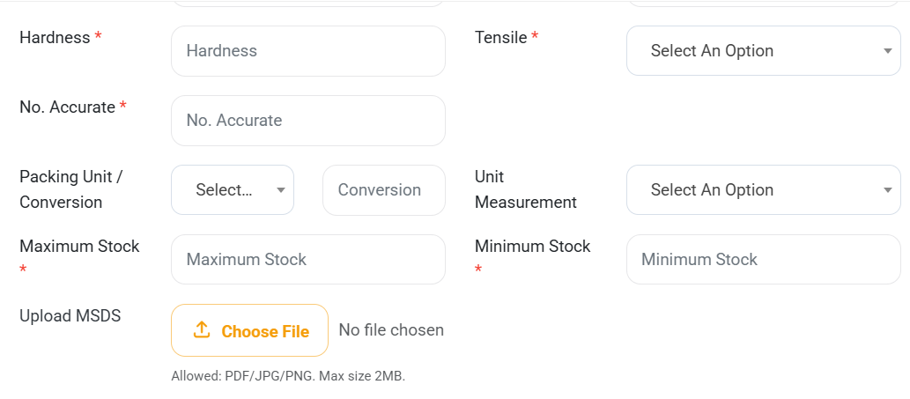

Berat/meter :
(Input Berat/meter)

BOM
BOM Produk

1. Tampilan Depan :

Base Product
Base Material
Uniq ID

(Sesuai Product yang diinput)
(Sesuai Material yang diinput)
(Otomatis database)

2. Detil Input :
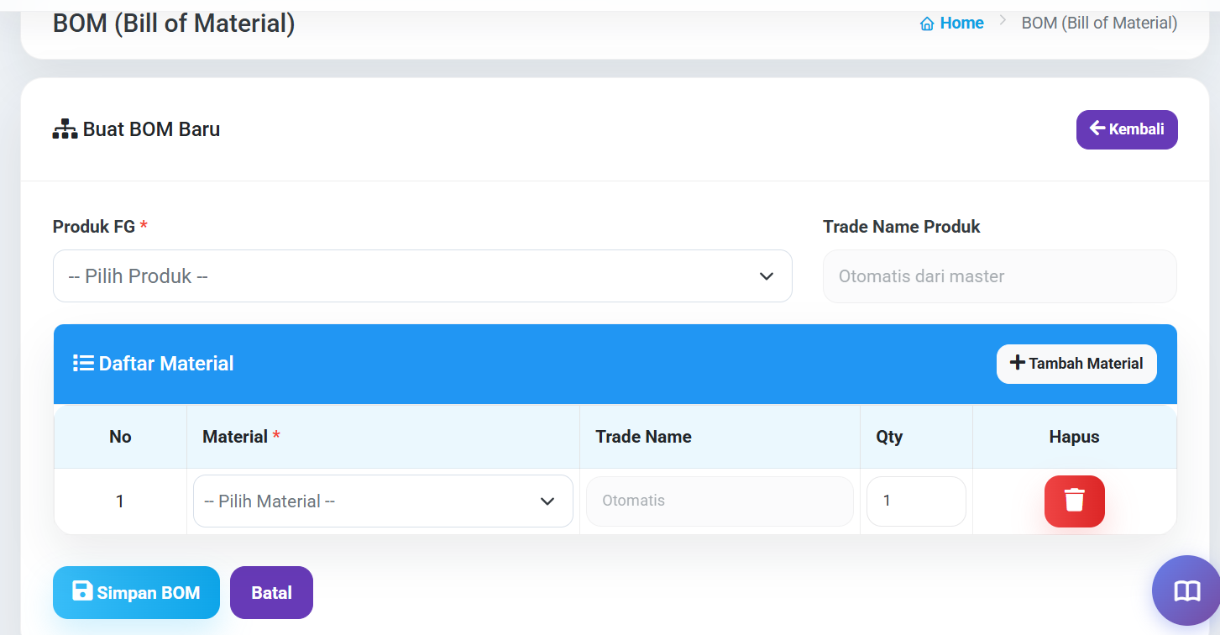

Varian
(Select Master Product)
(Input Free Text)

Berat/Mtr Coil
(Otomatis sesuai data Master Material)
(Select Master Material)

Price Reference Mat
Price Reference Material

1. Tampilan Depan :

(Sesuai List Master Material)

(Sesuai List Master Material)

2. Detil Input :
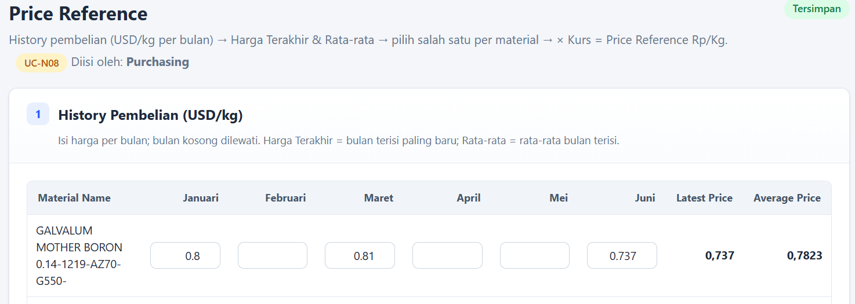

Expired Date :
(Select Tanggal)

 | Cancel | Save

Rate BP dan FOH
Rate Bahan Pendukung Khusus dan FOH

1. Tampilan Depan :

 | Add Rate
 | No | Product Category | Rate Bahan Pendukung Khusus | Rate FOH | Action
 | 1 | SPANDEK |  |  | Edit | View
 | 2 | BONDECK |  |  | Edit | View

2. Detil Input :

(Select Product Category)
(Input)
(Input)

Product Costing
Product Costing

1. Tampilan Depan :
 |  |  |  |  | Range Date : | (Select Date Update Costing)
 | Update Costing |  |  |  |  | Download Excel

No | Product Category | Product Name | Varian Material | Uniq ID | Harga/Meter | Harga/Kg | Last Updated | Action
 | (Database Master Product) | (Database Master Product) | (Database BOM yang dipakai) | (Database BOM yang dipakai) | (Sesuai Perhitungan Harga/Meter) | (Sesuai Perhitungan Harga/Kg) | (Otomatis sesuai tgl update) | View | Ajukan Pricelist

2. Detil isi dari Costing :
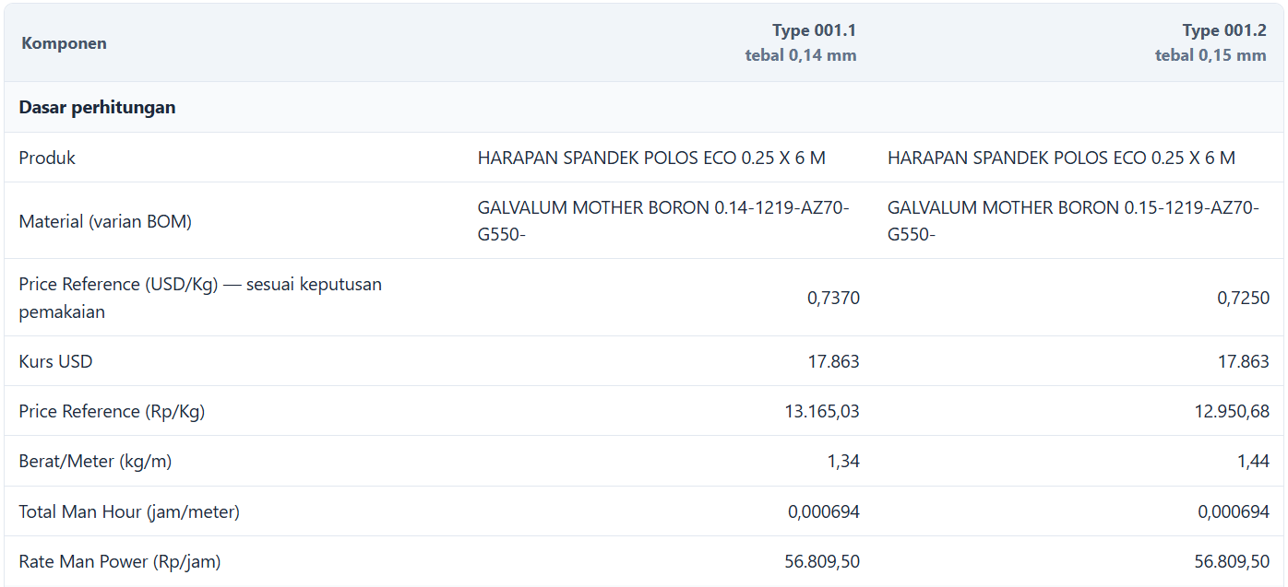
Rp/Meter
Rp/Kg

HPP

Biaya Process
Rate

(Rate Man Power)

(Rate Bahan Pendukung Khusus)
(Rate FOH)

Manufacturing Support

(Rate Consumables)

(Rate Scrap)

(Rate Biaya Koordinasi)

TOTAL HPP :

Other Cost

(Rate Sales,Marketing)

(Rate Transport)

(Rate Finance,Admin)

(Rate Management Fee)
(Rate Interest)

(Rate Profit)

TOTAL Other Cost :
(Total Other Cost Rp/Meter)
(Total Other Cost Rp/Kg)

TOTAL BOTTOM PRICE :
(Total Bottom Price Rp/Meter)
(Total Bottom Price Rp/Kg)

(Rate Negotiation Allowance)

(Total Pricelist Rp/Meter)
(Total Pricelist Rp/Kg)
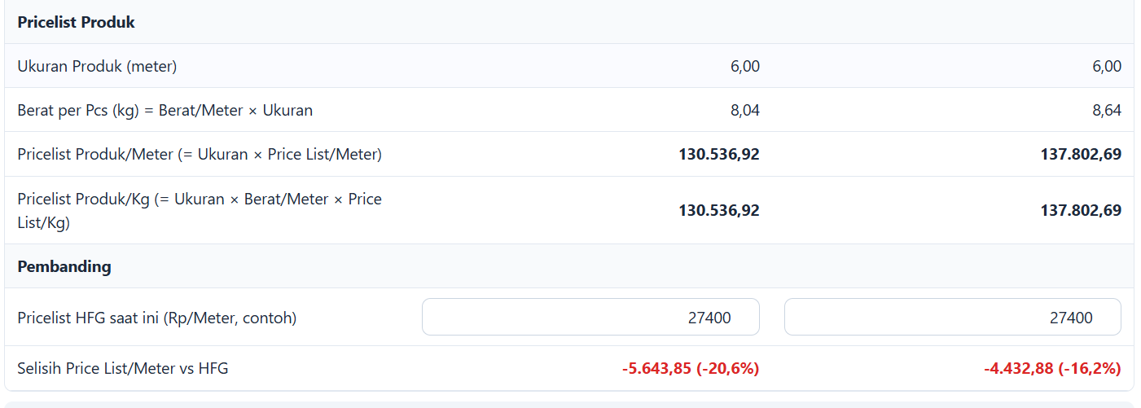

Pricelist Product (Based On Costing) :
(Total Pricelist Rp/Meter)*Ukuran Produk
(Total Pricelist Rp/Kg)*Ukuran Produk*Berat/Meter

Harga Competitor :

Competitor

